FX 11pt
Source | Well | Dest | Well | Volume
NCATS_079 | 1 | 384-1 | 3 | 10
NCATS_079 | 13 | 384-1 | 51 | 10
NCATS_079 | 25 | 384-1 | 99 | 10
NCATS_079 | 37 | 384-1 | 147 | 10
NCATS_079 | 49 | 384-1 | 195 | 10
NCATS_079 | 61 | 384-1 | 243 | 10
NCATS_079 | 73 | 384-1 | 291 | 10
NCATS_079 | 85 | 384-1 | 339 | 10
NCATS_079 | 2 | 384-1 | 27 | 10
NCATS_079 | 14 | 384-1 | 75 | 10
NCATS_079 | 26 | 384-1 | 123 | 10
NCATS_079 | 38 | 384-1 | 171 | 10
NCATS_079 | 50 | 384-1 | 219 | 10
NCATS_079 | 62 | 384-1 | 267 | 10
NCATS_079 | 74 | 384-1 | 315 | 10
NCATS_079 | 86 | 384-1 | 363 | 10
NCATS_079 | 3 | 384-1 | 14 | 10
NCATS_079 | 15 | 384-1 | 62 | 10
NCATS_079 | 27 | 384-1 | 110 | 10
NCATS_079 | 39 | 384-1 | 158 | 10
NCATS_079 | 51 | 384-1 | 206 | 10
NCATS_079 | 63 | 384-1 | 254 | 10
NCATS_079 | 75 | 384-1 | 302 | 10
NCATS_079 | 87 | 384-1 | 350 | 10
NCATS_079 | 4 | 384-1 | 38 | 10
NCATS_079 | 16 | 384-1 | 86 | 10
NCATS_079 | 28 | 384-1 | 134 | 10
NCATS_079 | 40 | 384-1 | 182 | 10
NCATS_079 | 52 | 384-1 | 230 | 10
NCATS_079 | 64 | 384-1 | 278 | 10
NCATS_079 | 76 | 384-1 | 326 | 10
NCATS_079 | 88 | 384-1 | 374 | 10
NCATS_079 | 5 | 384-2 | 3 | 10
NCATS_079 | 17 | 384-2 | 51 | 10
NCATS_079 | 29 | 384-2 | 99 | 10
NCATS_079 | 41 | 384-2 | 147 | 10
NCATS_079 | 53 | 384-2 | 195 | 10
NCATS_079 | 65 | 384-2 | 243 | 10
NCATS_079 | 77 | 384-2 | 291 | 10
NCATS_079 | 89 | 384-2 | 339 | 10
NCATS_079 | 6 | 384-2 | 27 | 10
NCATS_079 | 18 | 384-2 | 75 | 10
NCATS_079 | 30 | 384-2 | 123 | 10
NCATS_079 | 42 | 384-2 | 171 | 10
NCATS_079 | 54 | 384-2 | 219 | 10
NCATS_079 | 66 | 384-2 | 267 | 10
NCATS_079 | 78 | 384-2 | 315 | 10
NCATS_079 | 90 | 384-2 | 363 | 10
NCATS_079 | 7 | 384-2 | 14 | 10
NCATS_079 | 19 | 384-2 | 62 | 10
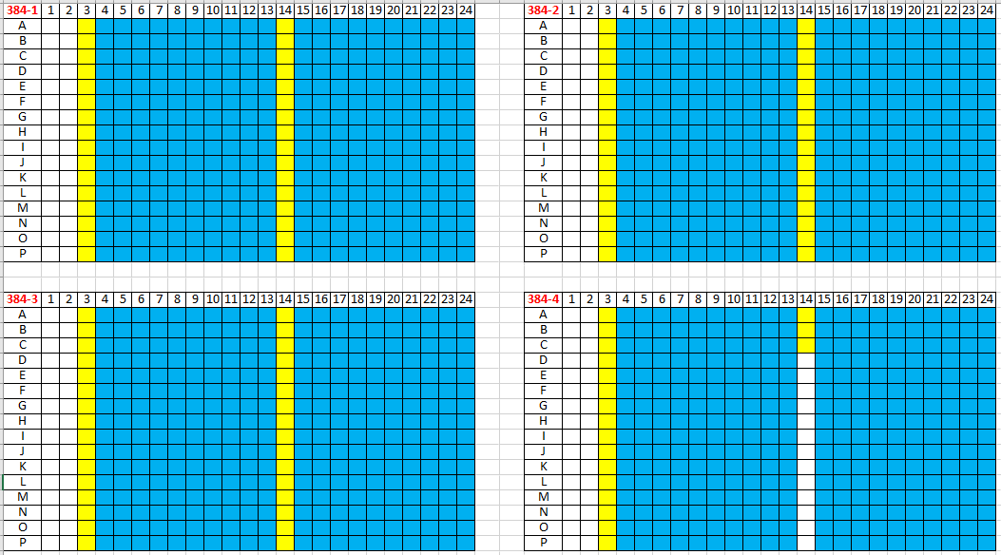
NCATS_079 | 31 | 384-2 | 110 | 10
NCATS_079 | 43 | 384-2 | 158 | 10
NCATS_079 | 55 | 384-2 | 206 | 10
NCATS_079 | 67 | 384-2 | 254 | 10
NCATS_079 | 79 | 384-2 | 302 | 10
NCATS_079 | 91 | 384-2 | 350 | 10
NCATS_079 | 8 | 384-2 | 38 | 10
NCATS_079 | 20 | 384-2 | 86 | 10
NCATS_079 | 32 | 384-2 | 134 | 10
NCATS_079 | 44 | 384-2 | 182 | 10
NCATS_079 | 56 | 384-2 | 230 | 10
NCATS_079 | 68 | 384-2 | 278 | 10
NCATS_079 | 80 | 384-2 | 326 | 10
NCATS_079 | 92 | 384-2 | 374 | 10
NCATS_079 | 9 | 384-3 | 3 | 10
NCATS_079 | 21 | 384-3 | 51 | 10
NCATS_079 | 33 | 384-3 | 99 | 10
NCATS_079 | 45 | 384-3 | 147 | 10
NCATS_079 | 57 | 384-3 | 195 | 10
NCATS_079 | 69 | 384-3 | 243 | 10
NCATS_079 | 81 | 384-3 | 291 | 10
NCATS_079 | 93 | 384-3 | 339 | 10
NCATS_079 | 10 | 384-3 | 27 | 10
NCATS_079 | 22 | 384-3 | 75 | 10
NCATS_079 | 34 | 384-3 | 123 | 10
NCATS_079 | 46 | 384-3 | 171 | 10
NCATS_079 | 58 | 384-3 | 219 | 10
NCATS_079 | 70 | 384-3 | 267 | 10
NCATS_079 | 82 | 384-3 | 315 | 10
NCATS_079 | 94 | 384-3 | 363 | 10
NCATS_079 | 11 | 384-3 | 14 | 10
NCATS_079 | 23 | 384-3 | 62 | 10
NCATS_079 | 35 | 384-3 | 110 | 10
NCATS_079 | 47 | 384-3 | 158 | 10
NCATS_079 | 59 | 384-3 | 206 | 10
NCATS_079 | 71 | 384-3 | 254 | 10
NCATS_079 | 83 | 384-3 | 302 | 10
NCATS_079 | 95 | 384-3 | 350 | 10
NCATS_079 | 12 | 384-3 | 38 | 10
NCATS_079 | 24 | 384-3 | 86 | 10
NCATS_079 | 36 | 384-3 | 134 | 10
NCATS_079 | 48 | 384-3 | 182 | 10
NCATS_079 | 60 | 384-3 | 230 | 10
NCATS_079 | 72 | 384-3 | 278 | 10
NCATS_079 | 84 | 384-3 | 326 | 10
NCATS_079 | 96 | 384-3 | 374 | 10
NCATS_192 | 1 | 384-4 | 3 | 10
NCATS_192 | 13 | 384-4 | 51 | 10
NCATS_192 | 25 | 384-4 | 99 | 10
NCATS_192 | 37 | 384-4 | 147 | 10
NCATS_192 | 49 | 384-4 | 195 | 10
NCATS_192 | 61 | 384-4 | 243 | 10
NCATS_192 | 73 | 384-4 | 291 | 10
NCATS_192 | 85 | 384-4 | 339 | 10
NCATS_192 | 2 | 384-4 | 27 | 10
NCATS_192 | 14 | 384-4 | 75 | 10
NCATS_192 | 26 | 384-4 | 123 | 10
NCATS_192 | 38 | 384-4 | 171 | 10
NCATS_192 | 50 | 384-4 | 219 | 10
NCATS_192 | 62 | 384-4 | 267 | 10
NCATS_192 | 74 | 384-4 | 315 | 10
NCATS_192 | 86 | 384-4 | 363 | 10
NCATS_192 | 3 | 384-4 | 14 | 10
NCATS_192 | 15 | 384-4 | 38 | 10
NCATS_192 | 27 | 384-4 | 62 | 10

FX 7pt
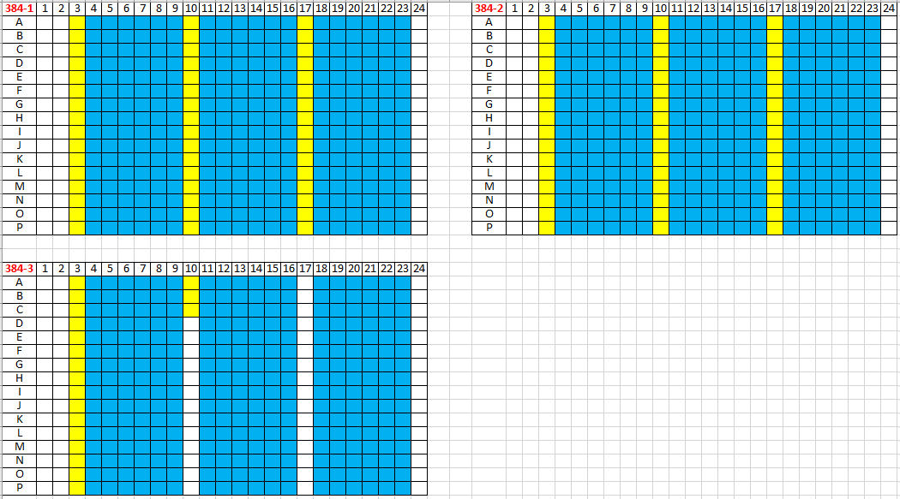
Source | Well | Dest | Well | Volume
NCATS_079 | 1 | 384-1 | 3 | 10
NCATS_079 | 13 | 384-1 | 51 | 10
NCATS_079 | 25 | 384-1 | 99 | 10
NCATS_079 | 37 | 384-1 | 147 | 10
NCATS_079 | 49 | 384-1 | 195 | 10
NCATS_079 | 61 | 384-1 | 243 | 10
NCATS_079 | 73 | 384-1 | 291 | 10
NCATS_079 | 85 | 384-1 | 339 | 10
NCATS_079 | 2 | 384-1 | 27 | 10
NCATS_079 | 14 | 384-1 | 75 | 10
NCATS_079 | 26 | 384-1 | 123 | 10
NCATS_079 | 38 | 384-1 | 171 | 10
NCATS_079 | 50 | 384-1 | 219 | 10
NCATS_079 | 62 | 384-1 | 267 | 10
NCATS_079 | 74 | 384-1 | 315 | 10
NCATS_079 | 86 | 384-1 | 363 | 10
NCATS_079 | 3 | 384-1 | 10 | 10
NCATS_079 | 15 | 384-1 | 58 | 10
NCATS_079 | 27 | 384-1 | 106 | 10
NCATS_079 | 39 | 384-1 | 154 | 10
NCATS_079 | 51 | 384-1 | 202 | 10
NCATS_079 | 63 | 384-1 | 250 | 10
NCATS_079 | 75 | 384-1 | 298 | 10
NCATS_079 | 87 | 384-1 | 346 | 10
NCATS_079 | 4 | 384-1 | 34 | 10
NCATS_079 | 16 | 384-1 | 82 | 10
NCATS_079 | 28 | 384-1 | 130 | 10
NCATS_079 | 40 | 384-1 | 178 | 10
NCATS_079 | 52 | 384-1 | 226 | 10
NCATS_079 | 64 | 384-1 | 274 | 10
NCATS_079 | 76 | 384-1 | 322 | 10
NCATS_079 | 88 | 384-1 | 370 | 10
NCATS_079 | 5 | 384-1 | 17 | 10
NCATS_079 | 17 | 384-1 | 65 | 10
NCATS_079 | 29 | 384-1 | 113 | 10
NCATS_079 | 41 | 384-1 | 161 | 10
NCATS_079 | 53 | 384-1 | 209 | 10
NCATS_079 | 65 | 384-1 | 257 | 10
NCATS_079 | 77 | 384-1 | 305 | 10
NCATS_079 | 89 | 384-1 | 353 | 10
NCATS_079 | 6 | 384-1 | 41 | 10
NCATS_079 | 18 | 384-1 | 89 | 10
NCATS_079 | 30 | 384-1 | 137 | 10
NCATS_079 | 42 | 384-1 | 185 | 10
NCATS_079 | 54 | 384-1 | 233 | 10
NCATS_079 | 66 | 384-1 | 281 | 10
NCATS_079 | 78 | 384-1 | 329 | 10
NCATS_079 | 90 | 384-1 | 377 | 10
NCATS_079 | 7 | 384-2 | 3 | 10
NCATS_079 | 19 | 384-2 | 51 | 10
NCATS_079 | 31 | 384-2 | 99 | 10
NCATS_079 | 43 | 384-2 | 147 | 10
NCATS_079 | 55 | 384-2 | 195 | 10
NCATS_079 | 67 | 384-2 | 243 | 10
NCATS_079 | 79 | 384-2 | 291 | 10
NCATS_079 | 91 | 384-2 | 339 | 10
NCATS_079 | 8 | 384-2 | 27 | 10
NCATS_079 | 20 | 384-2 | 75 | 10
NCATS_079 | 32 | 384-2 | 123 | 10
NCATS_079 | 44 | 384-2 | 171 | 10
NCATS_079 | 56 | 384-2 | 219 | 10
NCATS_079 | 68 | 384-2 | 267 | 10
NCATS_079 | 80 | 384-2 | 315 | 10
NCATS_079 | 92 | 384-2 | 363 | 10
NCATS_079 | 9 | 384-2 | 10 | 10
NCATS_079 | 21 | 384-2 | 58 | 10
NCATS_079 | 33 | 384-2 | 106 | 10
NCATS_079 | 45 | 384-2 | 154 | 10
NCATS_079 | 57 | 384-2 | 202 | 10
NCATS_079 | 69 | 384-2 | 250 | 10
NCATS_079 | 81 | 384-2 | 298 | 10
NCATS_079 | 93 | 384-2 | 346 | 10
NCATS_079 | 10 | 384-2 | 34 | 10
NCATS_079 | 22 | 384-2 | 82 | 10
NCATS_079 | 34 | 384-2 | 130 | 10
NCATS_079 | 46 | 384-2 | 178 | 10
NCATS_079 | 58 | 384-2 | 226 | 10
NCATS_079 | 70 | 384-2 | 274 | 10
NCATS_079 | 82 | 384-2 | 322 | 10
NCATS_079 | 94 | 384-2 | 370 | 10
NCATS_079 | 11 | 384-2 | 17 | 10
NCATS_079 | 23 | 384-2 | 65 | 10
NCATS_079 | 35 | 384-2 | 113 | 10
NCATS_079 | 47 | 384-2 | 161 | 10
NCATS_079 | 59 | 384-2 | 209 | 10
NCATS_079 | 71 | 384-2 | 257 | 10
NCATS_079 | 83 | 384-2 | 305 | 10
NCATS_079 | 95 | 384-2 | 353 | 10
NCATS_079 | 12 | 384-2 | 41 | 10
NCATS_079 | 24 | 384-2 | 89 | 10
NCATS_079 | 36 | 384-2 | 137 | 10
NCATS_079 | 48 | 384-2 | 185 | 10
NCATS_079 | 60 | 384-2 | 233 | 10
NCATS_079 | 72 | 384-2 | 281 | 10
NCATS_079 | 84 | 384-2 | 329 | 10
NCATS_079 | 96 | 384-2 | 377 | 10
NCATS_192 | 1 | 384-3 | 3 | 10
NCATS_192 | 13 | 384-3 | 51 | 10
NCATS_192 | 25 | 384-3 | 99 | 10
NCATS_192 | 37 | 384-3 | 147 | 10
NCATS_192 | 49 | 384-3 | 195 | 10
NCATS_192 | 61 | 384-3 | 243 | 10
NCATS_192 | 73 | 384-3 | 291 | 10
NCATS_192 | 85 | 384-3 | 339 | 10
NCATS_192 | 2 | 384-3 | 27 | 10
NCATS_192 | 14 | 384-3 | 75 | 10
NCATS_192 | 26 | 384-3 | 123 | 10
NCATS_192 | 38 | 384-3 | 171 | 10
NCATS_192 | 50 | 384-3 | 219 | 10
NCATS_192 | 62 | 384-3 | 267 | 10
NCATS_192 | 74 | 384-3 | 315 | 10
NCATS_192 | 86 | 384-3 | 363 | 10
NCATS_192 | 3 | 384-3 | 10 | 10
NCATS_192 | 15 | 384-3 | 34 | 10
NCATS_192 | 27 | 384-3 | 58 | 10

